PI

 |  |  | PACKING LIST
 |  |  | REFERENCE: |  | 41009
 |  |  | DATE: |  | 2018-01-24
 |  |  | SHIPMENT TERMS: |  | ADVANCE PAYMENT
 |  |  | SHIPMENT: |  | BY SEA
 |  |  | PAYMENT TERMS: |  | EX-FACTORY

EXPORTER: |  | REPRESENTATIVE OF IMPORTER:

COUNTRY OF DESTINATION : |  | COUNTRY OF MANUFACTURE:

ITEM # | DESCRIPTION |  |  | QTY/pcs | UNIT

Packing: |  | Loading Port:
Origin: |  | Discharge Port:


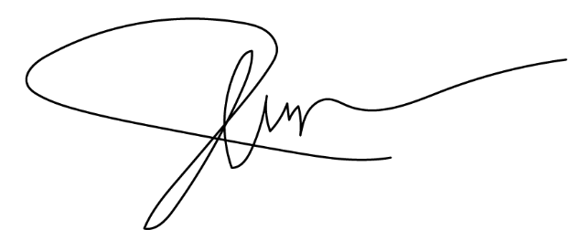
All other details as per out P/I no. 41009 dated 21-01-2018

 |  |  | Prepared By:

